Bug Report
Bug Report
Column 1 |  | Column 2
Project Name |  | Tutorials Ninja
Website Link |  | https://tutorialsninja.com/demo/
Created By |  | Shivani Singh
Approved By |  | Shiva Sir
Date |  | 2025-01-29

Bug Details
Col-1 | Col-2 | Col-3 | Col-4 | Col-5 | Col-6 | Col-7 | Col-8 | Col-9 | Col-10 | Col-11
ID Number | Bug ID | Severity | Priority | Description | Pre-requisites | Steps to Reproduce | Expected Result | Actual Result | Browser | Screenshot
1 | BUG-001 | Critical | Medium | User was able to login with an invalid email ID which does not exist. | User is on the login page. | 1. Open the website. 2. Select Accounts. 3. Enter the details | User should not be able to login with an invalid email ID. | User was able to register with an invalid email ID. | Chrome | 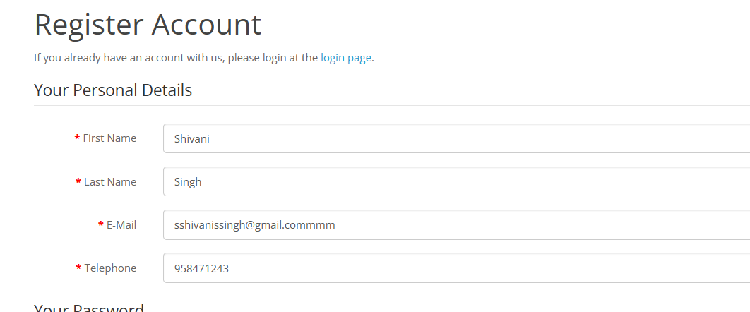 [Screenshot]
2 | BUG-002 | Critical | Medium | User was able to login with an invalid mobile number which does not exist. | User is on the login page. | 1. Open the website. 2. Select Accounts. 3. Enter the details | User should not be able to login with an invalid mobile number. | User was able to register with an invalid mobile number. | Chrome | [Screenshot]
3 | BUG-003 | Major | Low | OTP is not required for registration. | User is on the registration page. | 1. Open the website. 2. Select Accounts. 3. Enter the details | OTP should be required for registration. | Registration is possible without OTP. | Chrome | 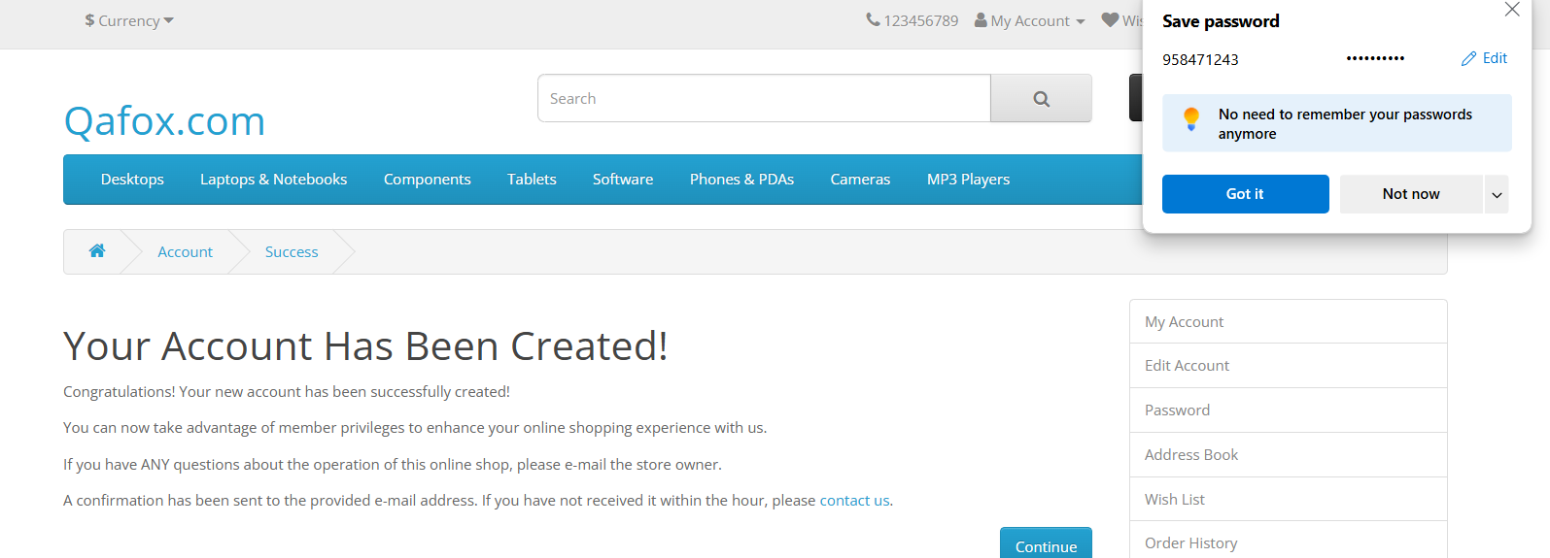 [Screenshot]
4 | BUG-004 | Major | Low | Logout did not ask for a confirmation message. | User is logged in. | 1. Open the website. 2. Select Accounts. 3. Select Logout option | User should be prompted with a confirmation message before logout. | No confirmation message appeared on logout. | Chrome | 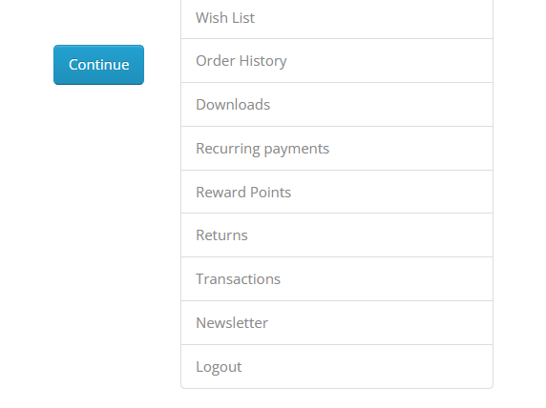 [Screenshot]
5 | BUG-005 | Major | Low | User was able to login with integers entered in the name section. | User is on the login page. | 1. Open the website. 2. Select Accounts. 3. Enter the details | Name section should not accept integers for login. | User was able to register with integers in the name section. | Chrome | 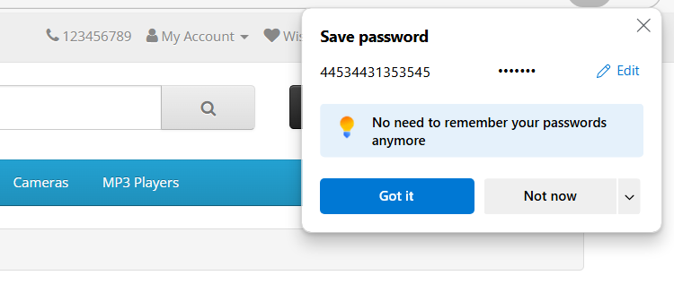 [Screenshot]
6 | BUG-006 | Critical | Medium | For password reset, it does not ask for the old password, allowing unauthorized changes. | User is on the password reset page. | 1. Open the website. 2. Select Accounts. 3. Select password option | Old password should be required to change to a new password. | Old password is not required for password change. | Chrome | 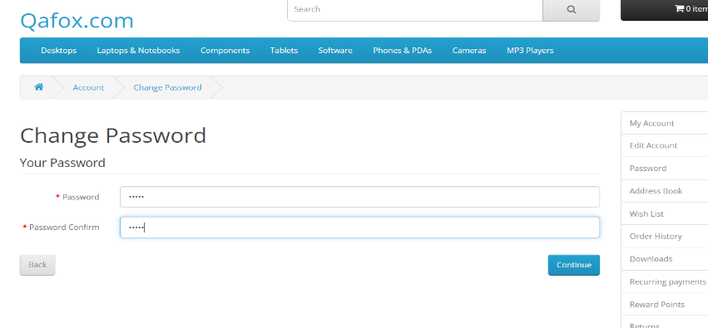 [Screenshot]
7 | BUG-007 | Minor | Low | Currency does not have the INR option. | User is on the checkout page. | 1. Open the website. 2. Select Accounts. 3. Select currency option | INR should be available as a currency option. | INR option is missing in the currency list. | Chrome | 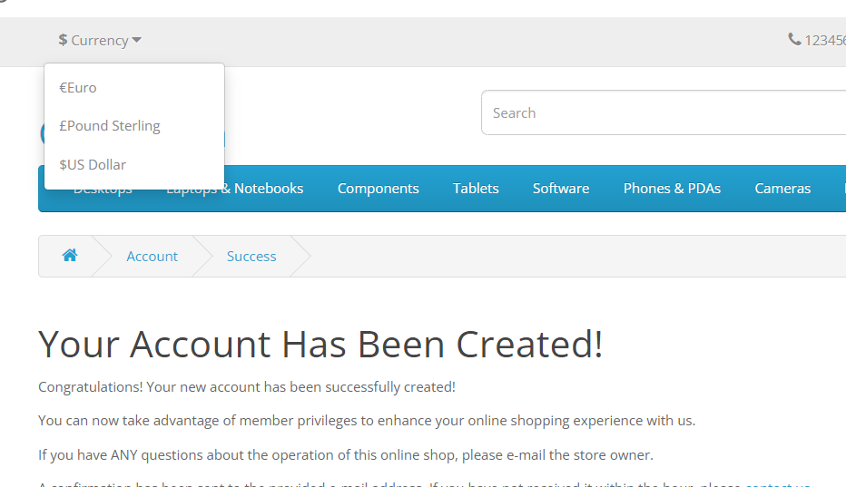 [Screenshot]
8 | BUG-008 | Minor | Low | Comparison option is not available. | User is on the product listing page. | 1. Open the website. 2. Select any product. 3. Select comparison option | Comparison option should be available for products. | Comparison option is missing. | Chrome | 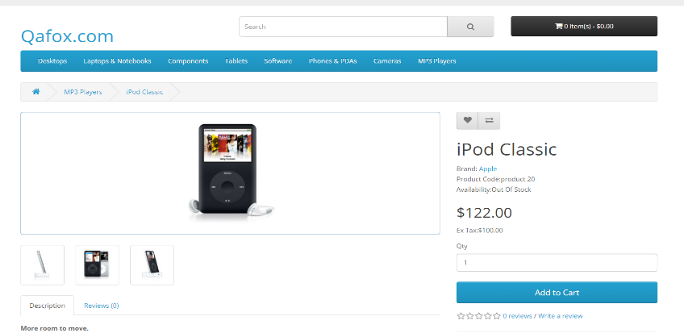 [Screenshot]
9 | BUG-009 | Major | Medium | In the Canon camera option, it asks to select a variant that is not available, preventing addition to the cart. | User is on the Canon camera product page. | 1. Open the website. 2. Select Canon EOS 5D product. 3. Select available option | User should be able to select a variant and add to the cart. | No option to select the variant, cannot add to cart. | Chrome | 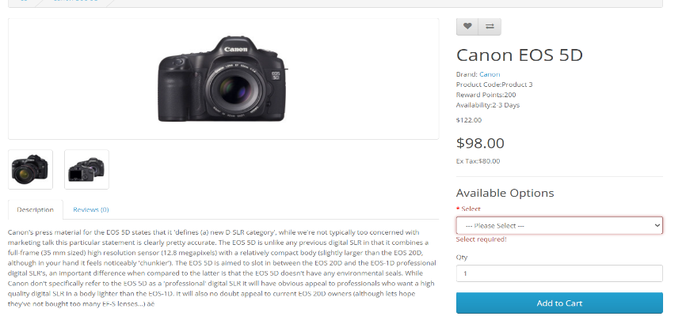 [Screenshot]
10 | BUG-010 | Major | Low | About Us page is blank. | User is on the About Us page. | 1. Open the website. 2. Select About us. | About Us page should contain information about the company. | About Us page is empty. | Chrome | 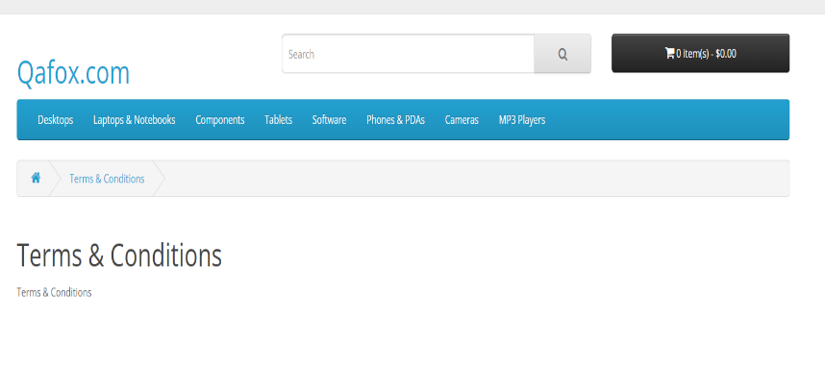 [Screenshot]
11 | BUG-011 | Critical | High | Brand Name | User should be on the Product page | 1. Open the website. 2. Select Apple Cinema 30". | A particular product should have correct brand name | Into the Mac the name of the brand is canon | Chrome | 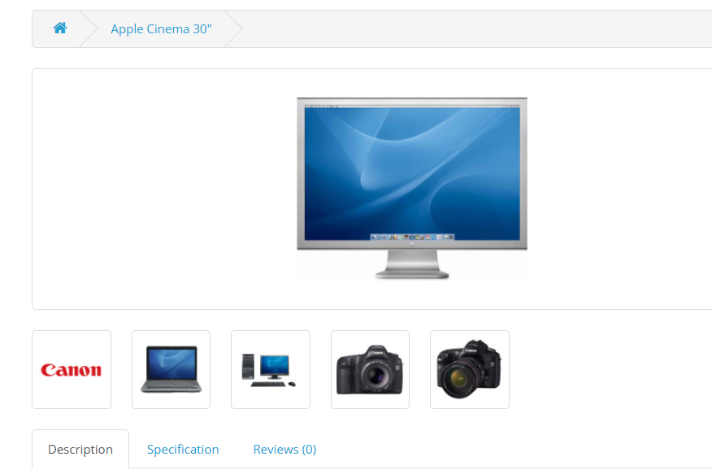
12 | BUG-012 | Major | Low | Quantity of the product not reflects into the icon | User should be in the shopping cart | 1. Open the website. 2. Select Any product and add to cart. 3. Check the icon. | Add to cart icon should have the number of products into the cart | Icon does not show number and by looking at the icon it looks like shopping cart is empty | Chrome | 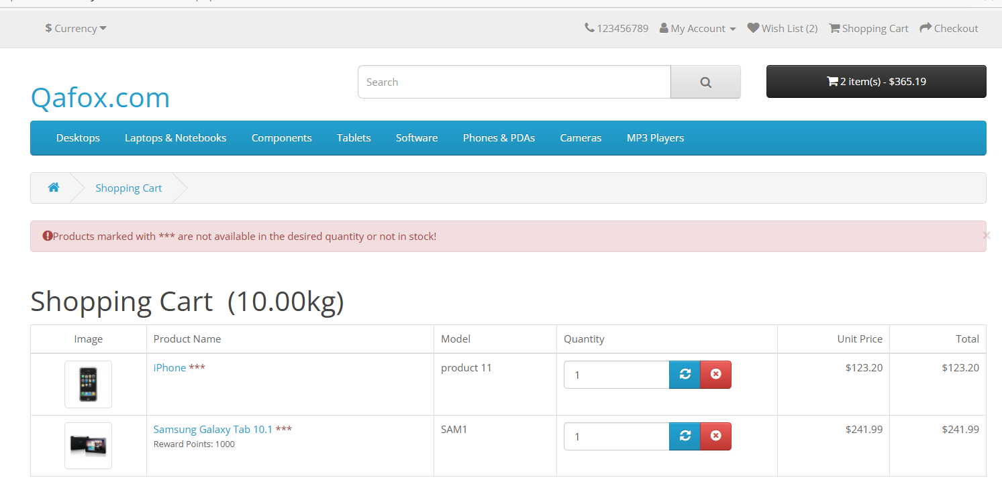
13 | BUG_013 | Major | Low | Number Limit into the Gift Card | User should be in the shopping cart | 1. Open the website. 2. Select Any product and add to cart. 3. Enter the Gift card details. | There should be limit on the digits upto which the card number can be entered | There is no number limit | Chrome | 
14 | BUG-014 | Major | Low | Wishlist quantity | User should be on the login page | 1. Open the website. 2. Select Any product to wish list. 3. Check out and re-login. | After re login the number of the product into the wishlist should not get changed | There is no number limit | Chrome | 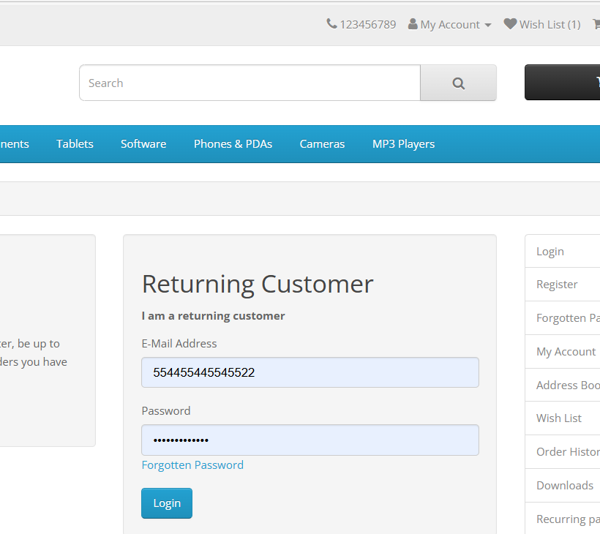
15 | BUG-015 | Critical | Medium | Re-Login through navigation | User should be on the homepage | 1. Open the website. 2. Login. 3. Check out and re-login. | After logout user should not be able to again re-login through navigation button | User can logout and again re-login through navigation option | Chrome | 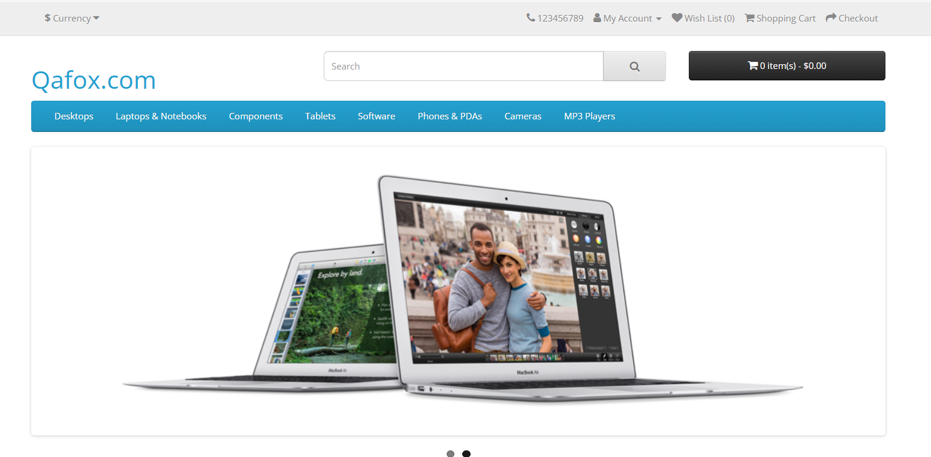
16 | BUG-016 | Major | Medium | Customer Care Contact Details | User should be on the home page | 1. Open the website. 2. Login. 3. Click on the customer care number. | User should be able to connect with the customer service on the given number | Given contact number is invalid | Chrome | 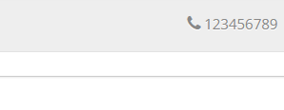
17 | BUG-017 | Major | Medium | Return Request | User should be on the Product return page | 1. Open the website. 2. Login. 3. Select return option and fill out the details. | Application should no accept the wrong details | Application accepts all the invalid details and accepts the return request | Chrome | 

